Sheet4
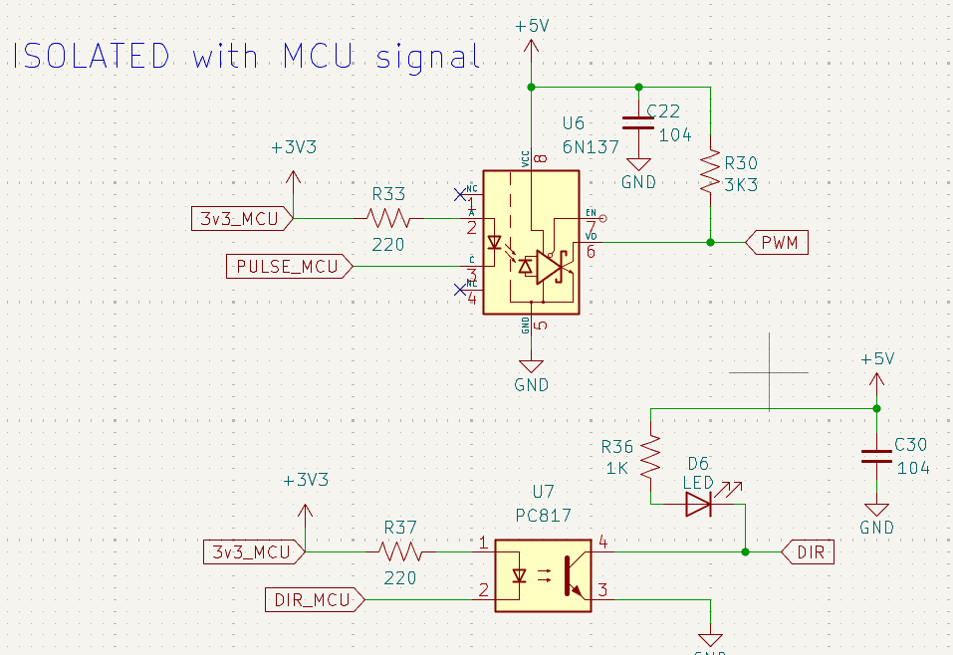
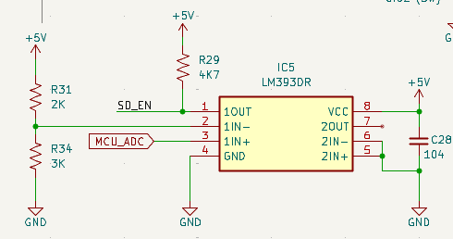
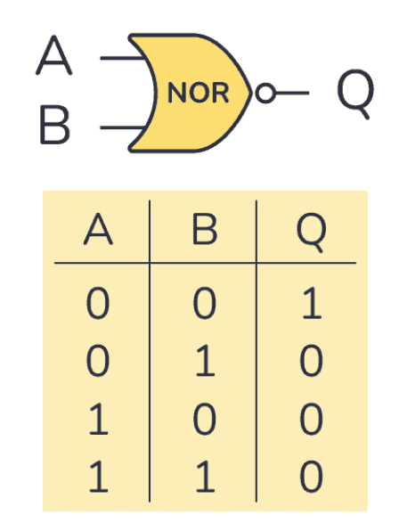
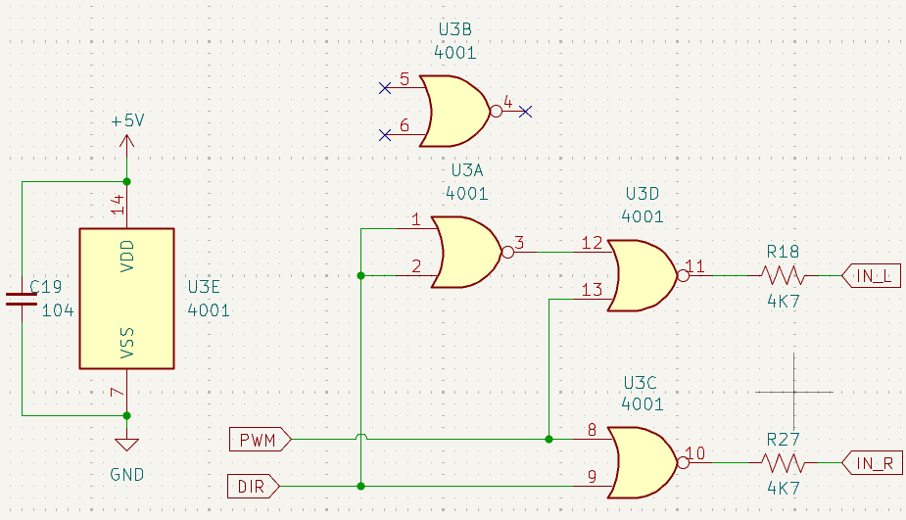
 | OUT_LM393 (Chân 1) | DIR | IN_R | IN_L
1. Bình thường (Quay thuận) | 1 | 0 | 0 | 1 | PWM | DIR | IN_L | IN_R
2. Bình thường (Quay nghịch) | 1 | 1 | 1 | 0 | 1 | 0
3. Bi kẹt động cơ/quá dòng | 0 | x | 0 | 0

chân SD_EN = PWM

